Case1 Results
TC_01

Through error , if input file name is wrong

Results


TC_02

Handle missing values in gl_balance or ub_balance

Input file

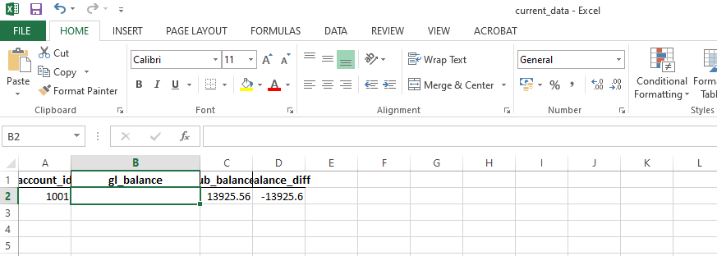

Script Results:

OutPut

TC_03

Verify correct balance difference calculation

Results

TC_04

Handle duplicate account_id values

Input:

TC_05

Detect an anomaly for sudden balance spikes

Results

TC_06

Handle missing historical data for a new account

Acct :1060 is not in history data

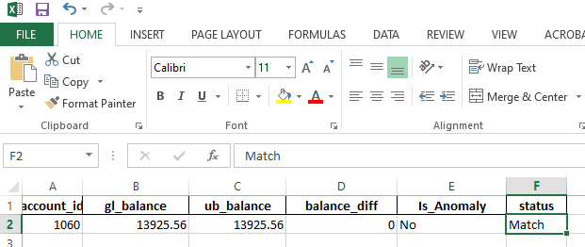

TC_07

Verify multiple executions don’t duplicate data

Results:

Ran the script multiple times and results are intact

TC_08

Anomaly detection when all historical records are "Break"

Input Data
account_id | gl_balance | ub_balance | balance_diff | status | Is_Anomaly
1003 | 19920.75 | 19722.97 | 197.78 | Break | No

History data:
account_id | gl_balance | ub_balance | balance_diff | status | Is_Anomaly
1003 | 2025-12-01 | 19547.93 | 20019.19 | -471.26 | Break (Anomaly)
1003 | 2025-12-02 | 19735.19 | 20164.96 | -429.78 | Break (Anomaly)
1003 | 2025-12-03 | 19607.39 | 19931.81 | -324.42 | Break (Anomaly)
1003 | 2025-12-04 | 19693 | 19968.76 | -275.77 | Break (Anomaly)
1003 | 2025-12-05 | 19604.96 | 20209.43 | -604.48 | Break (Anomaly)
1003 | 2025-12-06 | 19755.64 | 20078.69 | -323.06 | Break (Anomaly)
1003 | 2025-12-07 | 19520.55 | 20084.68 | -564.13 | Break (Anomaly)
1003 | 2025-12-08 | 19782.02 | 20018.93 | -236.91 | Break (Anomaly)
1003 | 2025-12-09 | 19814.32 | 20205.79 | -391.46 | Break (Anomaly)
1003 | 2025-12-10 | 19849.34 | 20095.19 | -245.85 | Break (Anomaly)
1003 | 2025-12-11 | 19728.79 | 20219.39 | -490.6 | Break (Anomaly)
1003 | 2025-12-12 | 19713.11 | 20004.86 | -291.75 | Break (Anomaly)
1003 | 2025-12-13 | 19612.76 | 20087.72 | -474.95 | Break (Anomaly)
1003 | 2025-12-14 | 19518.46 | 20044.96 | -526.5 | Break (Anomaly)
1003 | 2025-12-15 | 19785.81 | 19815.58 | -29.77 | Match
1003 | 2025-12-16 | 19834.86 | 20186.71 | -351.84 | Break (Anomaly)
1003 | 2025-12-17 | 19611.51 | 20121.86 | -510.35 | Break (Anomaly)
1003 | 2025-12-18 | 19663.35 | 20198.76 | -535.41 | Break (Anomaly)
1003 | 2025-12-19 | 19773.06 | 19904.19 | -131.13 | Match
1003 | 2025-12-20 | 19728.77 | 20037.97 | -309.2 | Break (Anomaly)
1003 | 2025-12-21 | 19672.28 | 19979.44 | -307.17 | Break (Anomaly)
1003 | 2025-12-22 | 19858.79 | 20177.49 | -318.7 | Break (Anomaly)
1003 | 2025-12-23 | 19580.15 | 19911.52 | -331.38 | Break (Anomaly)
1003 | 2025-12-24 | 19619.8 | 20109.66 | -489.86 | Break (Anomaly)
1003 | 2025-12-25 | 19689.9 | 20201.35 | -511.45 | Break (Anomaly)
1003 | 2025-12-26 | 19751.47 | 20169.59 | -418.12 | Break (Anomaly)
1003 | 2025-12-27 | 19699.61 | 19905.4 | -205.79 | Break (Anomaly)
1003 | 2025-12-28 | 19641.08 | 20179.73 | -538.65 | Break (Anomaly)
1003 | 2025-12-29 | 19657.23 | 20117.35 | -460.12 | Break (Anomaly)
1003 | 2025-12-30 | 19627.3 | 19945.66 | -318.36 | Break (Anomaly)
1003 | 2025-12-31 | 19649.19 | 20095.61 | -446.43 | Break (Anomaly)
1003 | 2025-01-01 | 19589.56 | 20034.6 | -445.04 | Break (Anomaly)
1003 | 2025-01-02 | 19557.78 | 20186.36 | -628.58 | Break (Anomaly)
1003 | 2025-01-03 | 19630.02 | 20223.71 | -593.69 | Break (Anomaly)
1003 | 2025-01-04 | 19834.22 | 20051.92 | -217.7 | Break (Anomaly)
1003 | 2025-01-05 | 19550.05 | 19827.38 | -277.33 | Break (Anomaly)
1003 | 2025-01-06 | 19498.13 | 19907.13 | -409 | Break (Anomaly)
1003 | 2025-01-07 | 19817.39 | 20073.97 | -256.58 | Break (Anomaly)
1003 | 2025-01-08 | 19706.64 | 19812.31 | -105.68 | Match
1003 | 2025-01-09 | 19528.83 | 20160.35 | -631.53 | Break (Anomaly)
1003 | 2025-01-10 | 19695.12 | 20044.51 | -349.39 | Break (Anomaly)
1003 | 2025-01-11 | 19726.26 | 20254.21 | -517.95 | Break (Anomaly)
1003 | 2025-01-12 | 19638.24 | 20068.77 | -430.53 | Break (Anomaly)
1003 | 2025-01-13 | 19684.57 | 20328.92 | -644.35 | Break (Anomaly)
1003 | 2025-01-14 | 19427.87 | 20137.52 | -709.65 | Break (Anomaly)
1003 | 2025-01-15 | 19650.14 | 20124.48 | -474.34 | Break (Anomaly)
1003 | 2025-01-16 | 19589.37 | 20055.52 | -466.14 | Break (Anomaly)
1003 | 2025-01-17 | 19742.68 | 20409.65 | -666.97 | Break (Anomaly)
1003 | 2025-01-18 | 19753.5 | 19966.02 | -212.52 | Break (Anomaly)
1003 | 2025-01-19 | 19615.54 | 20010.22 | -394.68 | Break (Anomaly)
1003 | 2025-01-20 | 19461.89 | 20024.03 | -562.14 | Break (Anomaly)
1003 | 2025-01-21 | 19745.08 | 19918.29 | -173.21 | Break (Anomaly)
1003 | 2025-01-22 | 19780.43 | 20115.63 | -335.2 | Break (Anomaly)
1003 | 2025-01-23 | 19580.77 | 20045.15 | -464.38 | Break (Anomaly)
1003 | 2025-01-24 | 19842.01 | 20143.16 | -301.15 | Break (Anomaly)
1003 | 2025-01-25 | 19663.98 | 20034.38 | -370.4 | Break (Anomaly)
1003 | 2025-01-26 | 19671.58 | 20003.68 | -332.1 | Break (Anomaly)
1003 | 2025-01-27 | 19427.27 | 20289.72 | -862.46 | Break (Anomaly)
1003 | 2025-01-28 | 19680.4 | 20105.59 | -425.2 | Break (Anomaly)
1003 | 2025-01-29 | 19656.51 | 19978.67 | -322.15 | Break (Anomaly)
1003 | 2025-01-30 | 19642.18 | 19881.87 | -239.69 | Break (Anomaly)
1003 | 2025-01-31 | 19918.03 | 19922.73 | -4.7 | Match
1003 | 2025-02-01 | 19547.42 | 20011.69 | -464.27 | Break (Anomaly)
1003 | 2025-02-02 | 19807.26 | 20062.63 | -255.36 | Break (Anomaly)
1003 | 2025-02-03 | 19524.55 | 20201.49 | -676.93 | Break (Anomaly)
1003 | 2025-02-04 | 19744.87 | 20121.3 | -376.43 | Break (Anomaly)
1003 | 2025-02-05 | 19743.16 | 20329.17 | -586.01 | Break (Anomaly)
1003 | 2025-02-06 | 19907.73 | 19984.09 | -76.36 | Match
1003 | 2025-02-07 | 19844.88 | 20103.91 | -259.04 | Break (Anomaly)
1003 | 2025-02-08 | 19718.9 | 19871.47 | -152.57 | Match
1003 | 2025-02-09 | 19643.92 | 19969.96 | -326.05 | Break (Anomaly)
1003 | 2025-02-10 | 19755.74 | 20180.96 | -425.22 | Break (Anomaly)
1003 | 2025-02-11 | 19430.66 | 20058.53 | -627.87 | Break (Anomaly)
1003 | 2025-02-12 | 19788.65 | 20040.09 | -251.44 | Break (Anomaly)
1003 | 2025-02-13 | 19744.66 | 20100.33 | -355.68 | Break (Anomaly)
1003 | 2025-02-14 | 19701.27 | 20030.61 | -329.35 | Break (Anomaly)
1003 | 2025-02-15 | 19526.74 | 19935.39 | -408.65 | Break (Anomaly)
1003 | 2025-02-16 | 19742.45 | 20063.18 | -320.73 | Break (Anomaly)
1003 | 2025-02-17 | 19647.49 | 20013.52 | -366.04 | Break (Anomaly)
1003 | 2025-02-18 | 19628.82 | 20178.25 | -549.44 | Break (Anomaly)
1003 | 2025-02-19 | 19625.45 | 19910.8 | -285.35 | Break (Anomaly)
1003 | 2025-02-20 | 19746.29 | 20038.05 | -291.76 | Break (Anomaly)
1003 | 2025-02-21 | 19666.52 | 20251.05 | -574.53 | Break (Anomaly)
1003 | 2025-02-22 | 19660.7 | 20093.39 | -432.69 | Break (Anomaly)
1003 | 2025-02-23 | 19530.96 | 20036.4 | -505.44 | Break (Anomaly)
1003 | 2025-02-24 | 19731.27 | 19886.8 | -155.53 | Match
1003 | 2025-02-25 | 19685.49 | 20072.29 | -386.79 | Break (Anomaly)
1003 | 2025-02-26 | 19667.62 | 20177.16 | -509.54 | Break (Anomaly)
1003 | 2025-02-27 | 19700.46 | 20226.54 | -526.09 | Break (Anomaly)
1003 | 2025-02-28 | 19551.72 | 20076.22 | -524.51 | Break (Anomaly)

TC_09
Test for zero balance differences

Case2 Result
TC_01

No anomaly when trade matches historical trend

Results
Trade_ID | Inventory_Code | CUSIP | Trade_Date | Settlement_Date | Buy/Sell | Catalyst_Quantity | Catalyst_Price | Impact_Quantity | Impact_Price | Quantity_Difference | Price_Difference | Match_Status | Comment | Anomaly
T001 | INV001 | 12345678 | 2025-03-01 | 2025-03-03 | Buy | 100 | 50.25 | 100 | 50.25 | 0 | 0 | Match | Trade details are in line with historical data. | No

TC_02

Detect anomaly when there is a sudden spike in quantity
Trade_ID | Inventory_Code | CUSIP | Trade_Date | Settlement_Date | Buy/Sell | Catalyst_Quantity | Catalyst_Price | Impact_Quantity | Impact_Price | Quantity_Difference | Price_Difference | Match_Status | Comment | Anomaly
T002 | INV002 | 87654321 | 2025-03-02 | 2025-03-04 | Sell | 200 | 48.75 | 80 | 48.75 | 120 | 0 | Quantity_Break | ⚠️ Sudden spike detected in Quantity. Historical avg: 4.57, current delta: 120.0. | Yes

TC_03

Detect anomaly when there is a sudden spike in price

Trade_ID | Inventory_Code | CUSIP | Trade_Date | Settlement_Date | Buy/Sell | Catalyst_Quantity | Catalyst_Price | Impact_Quantity | Impact_Price | Quantity_Difference | Price_Difference | Match_Status | Comment | Anomaly
T001 | INV001 | 12345678 | 2025-03-01 | 2025-03-03 | Buy | 100 | 100 | 100 | 50.25 | 0 | 49.75 | Price_Break | ⚠️ Sudden spike detected in Price. Historical avg: -0.11, current delta: 49.75. | Yes

TC_04

Detect anomaly when both quantity & price spikes occur

Trade_ID | Inventory_Code | CUSIP | Trade_Date | Settlement_Date | Buy/Sell | Catalyst_Quantity | Catalyst_Price | Impact_Quantity | Impact_Price | Quantity_Difference | Price_Difference | Match_Status | Comment | Anomaly
T002 | INV002 | 87654321 | 2025-03-02 | 2025-03-04 | Sell | 200 | 0 | 80 | 48.75 | 120 | -48.75 | Quantity_and_Price_Break | 🚨 Sudden spike detected in both Quantity and Price. Historical avg: Q=4.57, P=-0.42, current delta: Q=120, P=-48.75. | Yes

TC_05

No email sent for normal trades

Trade_ID | Inventory_Code | CUSIP | Trade_Date | Settlement_Date | Buy/Sell | Catalyst_Quantity | Catalyst_Price | Impact_Quantity | Impact_Price | Quantity_Difference | Price_Difference | Match_Status | Comment | Anomaly
T001 | INV001 | 12345678 | 2025-03-01 | 2025-03-03 | Buy | 100 | 50.25 | 100 | 50.25 | 0 | 0 | Match | Trade details are in line with historical data. | No
T002 | INV002 | 87654321 | 2025-03-02 | 2025-03-04 | Sell | 200 | 48.75 | 80 | 48.75 | 120 | 0 | Quantity_Break | ⚠️ Sudden spike detected in Quantity. Historical avg: 4.57, current delta: 120.0. | Yes

Email sent only for T002

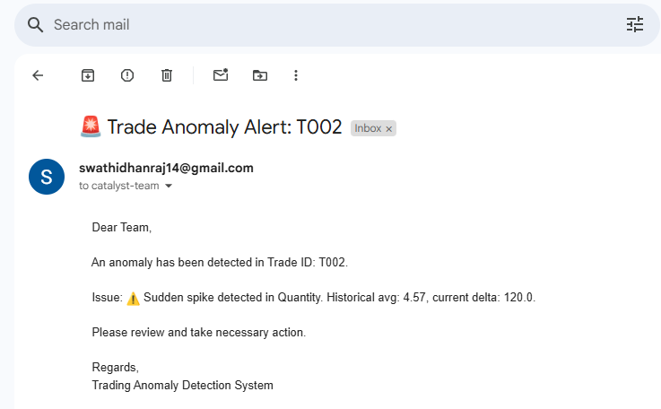

TC_06

Send email to any Anomaly detects



TC_07

Verify correct saving of output file

Output file is correctly saved

Trade_ID | Inventory_Code | CUSIP | Trade_Date | Settlement_Date | Buy/Sell | Catalyst_Quantity | Catalyst_Price | Impact_Quantity | Impact_Price | Quantity_Difference | Price_Difference | Match_Status | Comment | Anomaly
T001 | INV001 | 12345678 | 2025-03-01 | 2025-03-03 | Buy | 100 | 50.25 | 100 | 50.25 | 0 | 0 | Match | Trade details are in line with historical data. | No
T002 | INV002 | 87654321 | 2025-03-02 | 2025-03-04 | Sell | 200 | 48.75 | 80 | 48.75 | 120 | 0 | Quantity_Break | ⚠️ Sudden spike detected in Quantity. Historical avg: 4.57, current delta: 120.0. | Yes
T003 | INV003 | 56781234 | 2025-03-05 | 2025-03-07 | Buy | 150 | 52.1 | 150 | 52.5 | 0 | -0.4 | Match | Trade details are in line with historical data. | No
T004 | INV004 | 43218765 | 2025-03-06 | 2025-03-08 | Sell | 300 | 47.9 |  |  |  |  | Match | Trade details are in line with historical data. | No
T005 | INV005 | 98765432 | 2025-03-09 | 2025-03-11 | Buy |  |  | 250 | 49.3 |  |  | Match | Trade details are in line with historical data. | No

TC_08

Ensure all columns are correctly written in output

Trade_ID | Inventory_Code | CUSIP | Trade_Date | Settlement_Date | Buy/Sell | Catalyst_Quantity | Catalyst_Price | Impact_Quantity | Impact_Price | Quantity_Difference | Price_Difference | Match_Status | Comment | Anomaly
T001 | INV001 | 12345678 | 2025-03-01 | 2025-03-03 | Buy | 100 | 50.25 | 100 | 50.25 | 0 | 0 | Match | Trade details are in line with historical data. | No
T002 | INV002 | 87654321 | 2025-03-02 | 2025-03-04 | Sell | 200 | 48.75 | 80 | 48.75 | 120 | 0 | Quantity_Break | ⚠️ Sudden spike detected in Quantity. Historical avg: 4.57, current delta: 120.0. | Yes
T003 | INV003 | 56781234 | 2025-03-05 | 2025-03-07 | Buy | 150 | 52.1 | 150 | 52.5 | 0 | -0.4 | Match | Trade details are in line with historical data. | No
T004 | INV004 | 43218765 | 2025-03-06 | 2025-03-08 | Sell | 300 | 47.9 |  |  |  |  | Match | Trade details are in line with historical data. | No
T005 | INV005 | 98765432 | 2025-03-09 | 2025-03-11 | Buy |  |  | 250 | 49.3 |  |  | Match | Trade details are in line with historical data. | No

